CO2 kWh
https://www.quora.com/Whats-the-carbon-footprint-of-1-kWh-of-electricity

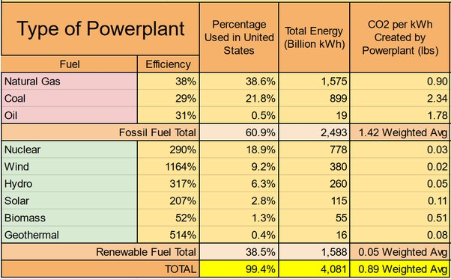
Type of Powerplant
Fuel | Efficiency | Percentage Used in United States | Total Energy (Billion kWh) | CO2 per kWh Created by Powerplant (lbs.)
Natural Gas | 38% | 38.60% | 1.575 | 0.9
Coal | 29% | 21.80% | 899 | 2.34
Oil | 31% | 0.50% | 19 | 1.78
Fossil Fuel Total |  | 60 9% | 2.493 | 1.42 Weighted Avg
Nuclear | 290% | 18.90% | 778 | 0.03
Wind | 1164% | 9.20% | 380 | 0.02
Hydro | 317% | 6.30% | 260 | 0.05
Solar | 207% | 2.80% | 115 | 0.11
Biomass | 52% | 1.30% | 55 | 0.51
Geothermal | 514% | 0 4% | 16 | 0.08
Renewable Fuel Total |  | 38.50% | 1,588 | 0.05 Weighted Avg
Total |  | 99 4% | 4,081 | 0.89 Weighted Avg

What's the carbon footprint of 1 kWh of electricity?
This is information compiled from the US Dept. of Energy for various types of powerplants.
In the US, the weighted average for all types of powerplants is 0.89 lbs CO2 per kWh.
The average EV gets 3.6 miles per kWh. If this energy is used to charge an EV, the EV contributes 0.25 lbs CO2 per mile.
Burning a gallon of gasoline contributes 19.7 lbs CO2. The average ICE in the US gets 25 MPG, which would contribute 0.79 lbs, more than three times more than an average EV.

Alternate source check
Country | g CO2/kWh | US Dept of Energy | Comments
In USA | 460 | 404.06 | 454 g/lb. close enough.
China around | 600
Germany | 560
Sweden | 7
Norway | 9
In Sweden
Solar cells about | 27
Windpower around | 15–20
Nuclear | 4
Hydropower | 9

